Sheet1
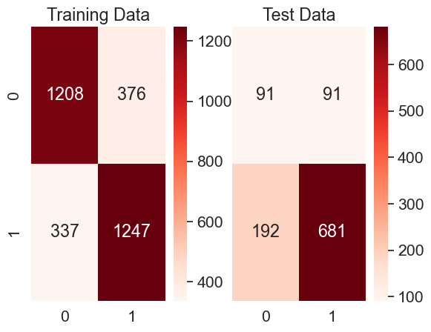
Loss = FN/ (FN + TN)
 | tp | tn | fp | fn | LOSS | OL | TL | TW | tw%
Oppurtunity Loss = FP / (FP+TP) | 1208 | 1247 | 337 | 376 | 0.23166974738 | 0.21812297735 | 0.23099240888 | 0.76900759112 | 76.900759112
 | 91 | 681 | 192 | 91 | 0.11787564767 | 0.67844522968 | 0.14590412677 | 0.85409587323 | 85.409587323
Total loss = 0.95 Loss + 0.05 Opportunity Loss | 1213 | 1227 | 357 | 371 | 0.23216520651 | 0.22738853503 | 0.23192637293 | 0.76807362707 | 76.807362707
 | 95 | 667 | 206 | 87 | 0.11538461538 | 0.68438538206 | 0.14383465372 | 0.85616534628 | 85.616534628
Total win = 1 - Total loss

Total win% = Total win * 100

 | tp | tn | fp | fn | LOSS | OL | TL | TW | tw% | tp | fn
 | 1324 | 1379 | 205 | 260 | 0.158633313 | 0.13407455853 | 0.15740537527 | 0.84259462473 | 84.259462473 | fp | tn
 | 75 | 762 | 111 | 107 | 0.12313003452 | 0.59677419355 | 0.14681224247 | 0.85318775753 | 85.318775753

 | tp | tn | fp | fn | LOSS | OL | TL | TW | tw%
 | 1122 | 1340 | 244 | 462 | 0.256381798 | 0.17862371889 | 0.25249389405 | 0.74750610595 | 74.750610595
 | 109 | 735 | 138 | 73 | 0.090346534653 | 0.55870445344 | 0.11376443059 | 0.88623556941 | 88.623556941
 |  |  |  |  |  |  | fp | tn

 | tp | tn | fp | fn | LOSS | OL | TL | TW | tw%
 | 1218 | 1207 | 377 | 366 | 0.23267641449 | 0.23636363636 | 0.23286077559 | 0.76713922441 | 76.713922441
 | 118 | 658 | 215 | 64 | 0.08864265928 | 0.64564564565 | 0.1164928086 | 0.8835071914 | 88.35071914

 | tp | tn | fp | fn | LOSS | OL | TL | TW | tw%
 | 1217 | 1196 | 388 | 367 | 0.23480486244 | 0.24174454829 | 0.23515184674 | 0.76484815326 | 76.484815326
 | 118 | 656 | 217 | 64 | 0.088888888889 | 0.64776119403 | 0.11683250415 | 0.88316749585 | 88.316749585

 | tp | tn | fp | fn | LOSS | OL | TL | TW | tw%
 | 1208 | 1064 | 520 | 376 | 0.26111111111 | 0.30092592593 | 0.26310185185 | 0.73689814815 | 73.689814815
 | 119 | 581 | 292 | 63 | 0.097826086957 | 0.7104622871 | 0.12845789696 | 0.87154210304 | 87.154210304

 | tp | tn | fp | fn | LOSS | OL | TL | TW | tw%
 | 1217 | 1196 | 388 | 367 | 0.23480486244 | 0.24174454829 | 0.23515184674 | 0.76484815326 | 76.484815326
 | 118 | 656 | 217 | 64 | 0.088888888889 | 0.64776119403 | 0.11683250415 | 0.88316749585 | 88.316749585

 | tp | tn | fp | fn | LOSS | OL | TL | TW | tw%
 | 1584 | 1584 | 0 | 0 | 0 | 0 | 0 | 1 | 100
 | 141 | 864 | 9 | 41 | 0.045303867403 | 0.06 | 0.046038674033 | 0.95396132597 | 95.396132597

 | tp | tn | fp | fn | LOSS | OL | TL | TW | tw%
 | 1581 | 1584 | 0 | 3 | 0.0018903591682 | 0 | 0.0017958412098 | 0.99820415879 | 99.820415879
 | 132 | 859 | 14 | 50 | 0.05500550055 | 0.095890410959 | 0.05704974607 | 0.94295025393 | 94.295025393

 | tp | tn | fp | fn | LOSS | OL | TL | TW | tw%
 | 1352 | 1438 | 146 | 232 | 0.13892215569 | 0.097463284379 | 0.13684921212 | 0.86315078788 | 86.315078788
 | 89 | 796 | 77 | 93 | 0.10461192351 | 0.46385542169 | 0.12257409842 | 0.87742590158 | 87.742590158

 | tp | tn | fp | fn | LOSS | OL | TL | TW | tw%
 | 886 | 907 | 143 | 164 | 0.15312791783 | 0.13896987366 | 0.15242001563 | 0.84757998437 | 84.757998437
 | 35 | 528 | 88 | 46 | 0.080139372822 | 0.71544715447 | 0.1119047619 | 0.8880952381 | 88.80952381

 | tp | tn | fp | fn | LOSS | OL | TL | TW | tw%
 | 1050 | 1050 | 0 | 0 | 0 | 0 | 0 | 1 | 100
 | 58 | 606 | 10 | 23 | 0.036565977742 | 0.14705882353 | 0.042090620032 | 0.95790937997 | 95.790937997

 | tp | tn | fp | fn | LOSS | OL | TL | TW | tw%
 | 892 | 829 | 221 | 158 | 0.1600810537 | 0.19856244385 | 0.16200512321 | 0.83799487679 | 83.799487679
 | 50 | 479 | 137 | 31 | 0.060784313725 | 0.73262032086 | 0.094376114082 | 0.90562388592 | 90.562388592

 | tp | tn | fp | fn | LOSS | OL | TL | TW | tw%
 | 1047 | 1049 | 1 | 3 | 0.0028517110266 | 0.00095419847328 | 0.0027568353989 | 0.9972431646 | 99.72431646
 | 54 | 605 | 11 | 27 | 0.042721518987 | 0.16923076923 | 0.0490469815 | 0.9509530185 | 95.09530185

 | tp | tn | fp | fn | LOSS | OL | TL | TW | tw%
 | 449 | 353 | 98 | 2 | 0.0056338028169 | 0.17915904936 | 0.014310065144 | 0.98568993486 | 98.568993486
 | 50 | 155 | 84 | 16 | 0.093567251462 | 0.62686567164 | 0.12023217247 | 0.87976782753 | 87.976782753

 | tp | tn | fp | fn | LOSS | OL | TL | TW | tw%
 | 360 | 356 | 95 | 91 | 0.20357941834 | 0.20879120879 | 0.20384000787 | 0.79615999213 | 79.615999213
 | 36 | 174 | 65 | 30 | 0.14705882353 | 0.64356435644 | 0.17188410017 | 0.82811589983 | 82.811589983

 | tp | tn | fp | fn | LOSS | OL | TL | TW | tw%
 | 419 | 264 | 187 | 32 | 0.10810810811 | 0.30858085809 | 0.11813174561 | 0.88186825439 | 88.186825439
 | 52 | 123 | 116 | 14 | 0.10218978102 | 0.69047619048 | 0.13160410149 | 0.86839589851 | 86.839589851

 | tp | tn | fp | fn | LOSS | OL | TL | TW | tw%
 | 451 | 451 | 0 | 0 | 0 | 0 | 0 | 1 | 100
 | 51 | 229 | 10 | 15 | 0.061475409836 | 0.16393442623 | 0.066598360656 | 0.93340163934 | 93.340163934

